2024 Paris Olympics Mens Soccer
2024 PARIS OLYMPICS MEN'S FOOTBALL BRACKET

 | QUARTERFINALS |  | SEMIFINALS |  | FINAL | SEMIFINALS | QUARTERFINALS

 |  |  |  |  | gold medal match

 |  | 2024-08-02 |  |  |  |  | 2024-08-02
 |  |  |  |  | 2024-08-09

 |  |  |  | 2024-08-05 |  | 2024-08-05

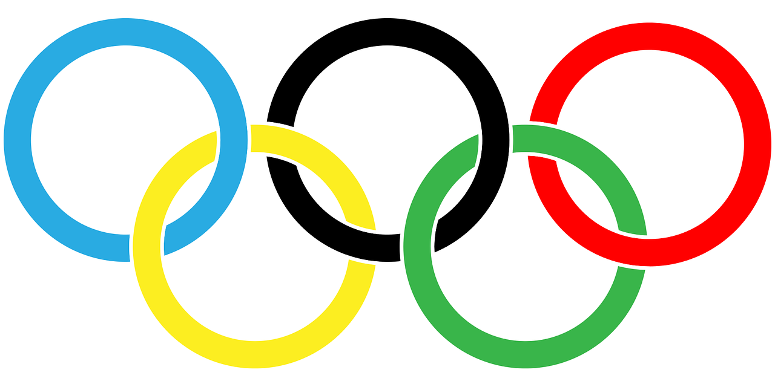

 |  | 2024-08-02 |  |  |  |  | 2024-08-02

 |  |  |  |  | bronze medal match

 |  |  |  |  | 2024-08-08

For more brackets visit PLEXKITS

